Team Roles Profile
 |  |  |  | Principles of Project Management (DA) (2020) |  |  |  |  |  |  |  |  |  |  |  |  |  |  |  |  |  |  |  |  | Belbin Team Roles Individual Preference

 |  |  |  | Name: |  |  |  |  | 0 |  |  |  |  |  |  |  |  |  |  |  |  |  |  |  | Team Development
 |  |  |  |  |  |  |  |  |  |  |  |  |  |  |  |  |  |  |  |  |  |  |  |  | Phase | Define | Measure | Analyse | Improve | Control | Team Development | Business Growth | Recognise

Balance of Belbin Team Roles
Belbin Team Roles
 |  |  |  |  |  |  |  |  |  |  |  |  |  |  |  |  |  |  |  |  |  |  |  |  | Reference: |  |  | A3 - Belbin Team Roles
 | Action Oriented Roles
 |  |  |  |  |  |  |  |  |  |  |  |  |  |  |  |  |  |  |  |  |  |  |  |  | Purpose
 | Shaper |  |  | Implementer |  |  |  |  |  | Completer-Finisher |  |  |  |  |  |  |  |  |  |  |  |  |  |  | This is a Self-Perception Inventory and often better results are obtained by using a 360 Degree Inventory and using the official Belbin Team Role Reports from their website. This version has been taken from 'Teambuilding' by Fraser and Neville (The Industrial Society 1993). This Version of the Personal Skill Inventory identifies the original Eight Team-Roles but does not identify the Specialist which was only added after the initial research had been completed.
 | 9 |  |  | 8 |  |  |  |  |  | 4

 | People Oriented Roles

 | Co-ordinator |  |  | Team Worker |  |  |  |  |  | Resource Investigator |  |  |  |  |  |  |  |  |  |  |  |  |  | 0
 | 5 |  |  | 12 |  |  |  |  |  | 5

 | Thinking Oriented Roles

Belbin Team Roles Preference
 | Specialist |  |  | Plant |  |  |  |  |  | Monitor Evaluator
 | Not Identified |  |  | 7 |  |  |  |  |  | 20 |  |  |  |  |  |  |  |  |  |  |  |  | 0
 |  |  |  |  |  |  |  |  |  |  |  |  |  | ME | 0
Preferred Roles
Manageable Roles
Least Preferred Roles
 |  |  |  |  |  |  |  |  |  |  |  |  |  | 0 | 0 | Shaper |  |  |  |  | 9 |  |  |  | Belbin Official Website
 |  |  |  |  |  |  |  |  |  |  |  |  |  | 0 | 0 | Implementer |  |  |  |  | 8 |  |  |  | Please refer to the official website for more information and complete questionnaires.
Interpretation |  |  |  |  |  |  |  |  |  |  |  |  |  | 0 | 0 | Completer-Finisher |  |  |  |  | 4
Your Scores will provide guidance of your Team-Role Distribution Score. The Highest Score on Team-Role will be your Preferred Roles – those roles which the individual is comfortable playing and which come naturally. The Next Highest Scores are your Manageable Roles – those roles which an individual can play if required for the benefit of the team. These may be cultivated to broaden the individual’s team working experience. The Two Lowest Scores are your Least Preferred Roles – those roles which the individual does not naturally or comfortably assume. It is generally recommended that the individual avoids contributing in these areas, lest the pitfalls of the behaviour outweigh the strengths. |  |  |  |  |  |  |  |  |  |  |  |  |  | 0 | 0 | Co-ordinator |  |  |  |  | 5
 |  |  |  |  |  |  |  |  |  |  |  |  |  | 0 | 0 | Team Worker |  |  |  |  | 12
 |  |  |  |  |  |  |  |  |  |  |  |  |  | 0 | 0 | Resource Investigator |  |  |  |  | 5 |  |  |  |  | http://www.belbin.com
 |  |  |  |  |  |  |  |  |  |  |  |  |  | 0 | 0 | Plant |  |  |  |  | 7
 |  |  |  |  |  |  |  |  |  |  |  |  |  |  | 7 | Monitor Evaluator |  |  |  |  | 20
 |  |  |  |  |  |  |  |  |  |  |  |  |  |  | 0
 |  |  |  |  |  |  |  |  |  |  |  |  |  |  |  |  |  |  |  |  |  |  |  |  | Preference Macros

Sort
Reset

Your Observations |  | 0

 |  |  |  |  |  |  |  |  |  |  |  |  |  |  |  |  |  |  |  |  |  |  |  |  | Nigel Ward

 |  |  |  |  |  |  |  |  |  |  |  |  | if | S | I | CF | C | TW | RI | P | ME | Total
Action Oriented Roles |  |  |  |  |  |  |  |  |  | Shaper |  | S | 9 |  | 2 | 2 | 2 | 0 | 2 | 2 | 0 | 10 |  |  |  |  |  |  |  |  |  |  |  | 0
 | Shaper | 1 | 1 | 1 | 2 | 1 | 1 | 2 | 9 | Implementer |  | I | 8 | 0 |  | 2 | 2 | 0 | 2 | 2 | 0 | 8
 | Implementer | 2 | 1 | 1 | 1 | 1 | 2 | 0 | 8 | Completer-Finisher |  | CF | 4 | 0 | 0 |  | 0 | 0 | 0 | 0 | 0 | 0
 | Completer-Finisher | 0 | 0 | 2 | 1 | 0 | 1 | 0 | 4 | Co-ordinator |  | C | 5 | 0 | 0 | 2 |  | 0 | 1 | 0 | 0 | 3
People Oriented Roles |  | 0 | 0 | 0 | 0 | 0 | 0 | 0 | 0 | Team Worker |  | TW | 12 | 2 | 2 | 2 | 2 |  | 2 | 2 | 0 | 12
 | Co-ordinator | 0 | 3 | 0 | 0 | 1 | 1 | 0 | 5 | Resource Investigator |  | RI | 5 | 0 | 0 | 2 | 1 | 0 |  | 0 | 0 | 3
 | Team Worker | 2 | 3 | 2 | 1 | 0 | 1 | 3 | 12 | Plant |  | P | 7 | 0 | 0 | 2 | 2 | 0 | 2 |  | 0 | 6
 | Resource Investigator | 1 | 0 | 2 | 0 | 2 | 0 | 0 | 5 | Monitor Evaluator |  | ME | 20 | 2 | 2 | 2 | 2 | 2 | 2 | 2 |  | 14
Thinking Oriented Roles |  | 0 | 0 | 0 | 0 | 0 | 0 | 0 | 0 |  |  |  |  |  |  |  |  |  |  |  |  | 0
 | Specialist | 0 | 0 | 0 | 0 | 0 | 0 | 0 | 0
 | Plant | 0 | 0 | 1 | 3 | 3 | 0 | 0 | 7 |  | 0
 | Monitor Evaluator | 4 | 2 | 1 | 2 | 2 | 4 | 5 | 20 |  | 0

Belbin
 |  | Principles of Project Management (DA) (2020) |  |  |  | Introduction to Belbin Team Roles

 |  | Name: | 0 |  |  | Team Development
 |  |  |  |  |  | Phase | Define | Measure | Analyse | Improve | Control | Team Development | Business Growth | Recognise

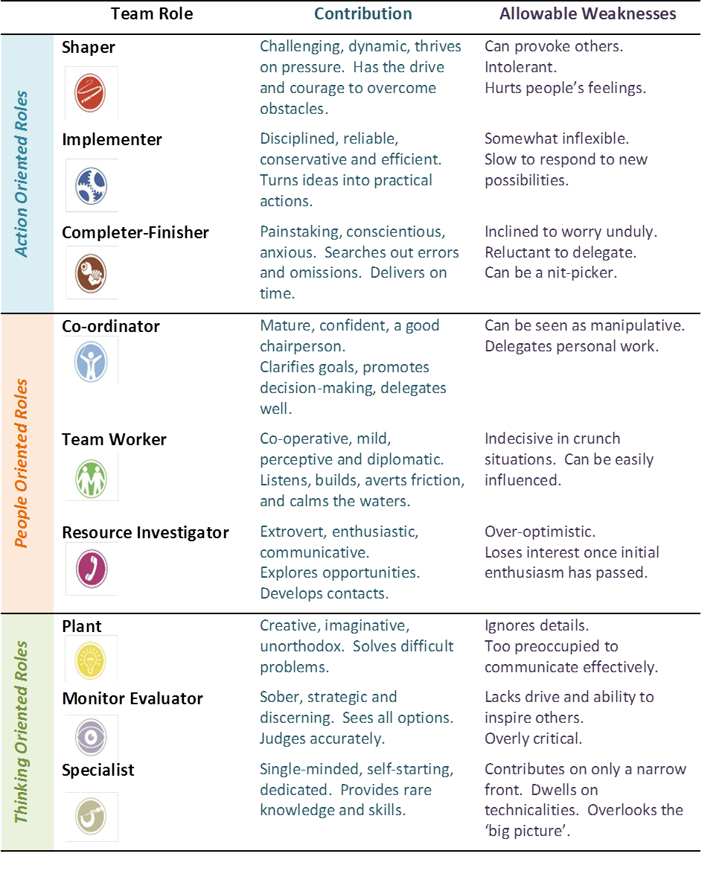
Hard Science for Soft Skills |  |  |  | Belbin's Team Roles
 | Have you ever wondered why certain teams run smoothly and others just limp along? Three decades years ago, British social scientist R. Meredith Belbin wondered precisely the same thing. After nine years of research with management teams at Henley College, UK, Belbin realised that selecting teams according to commonly assessed traits; intelligence, for example, or personality type, was no guarantee of a team’s success. In fact, he discovered that teams made up of similar people tended to do worse than teams that were picked according to other criteria. Eventually, he developed a list of nine skill sets that, when combined, made the difference between teams that achieved consistent success and teams that struggled to meet expectations. These became known as Team Roles. |  |  |  |  | Reference: |  |  | A3 - Belbin Team Profile

 |  |  |  |  |  | Team Roles According to Project Phases

 |  |  |  |  |  | Goals To assess and confirm customer needs and goals, Shapers and Coordinators are key. Ideas Plants and Resource Investigators best develop creative ideas to meet those needs. Plans When a team needs plans, Monitor Evaluators and Specialists are valuable contributors. Contacts If a team must communicate with contacts outside the team, Resource Investigators and Team Workers are the best suited for the job. Organisation Implementers and Coordinators excel at keeping the team organised and on track. Follow Through Finally, ensuring that all plans are completed and quality control is maintained should be the responsibility of Implementers and Completer-Finishers. The Belbin Official Website has Free Hand-outs and lots more information.

Validation of Belbin’s Model
 | Of course, Belbin’s ideas did not just stay ideas; he tested his Team Roles theories in two series of trials; simulated management exercises in which several teams competed against one another. Although he did not pick the teams, Belbin’s predictions on the teams success were accurate. Following on with further tests, Belbin was able to predict the success of a team with an accuracy rate of 86%; even when he had not picked the team members.

Benefits of Belbin's Model
 | The nine Belbin Team Roles represent team members’ preferred ways to interact and behave in a group. Some people are more comfortable working behind the scenes. Others like to interact and engage with clients and customers. Some like ideas. Others prefer decisions. Top-performing teams are built on a balance of nine basic roles; with each team member performing a role (or roles) that reflect their unique, inherent strengths. Belbin Team Roles are used to identify people's behavioural strengths and weaknesses in the workplace. This information can be used to: Ø Build productive working relationships. Ø Select and develop high-performing teams. Ø Raise self-awareness and personal effectiveness. Ø Build mutual trust and understanding. Ø Aid recruitment processes.

 |  |  |  |  | You Team Role Profile: Ø Preferred Roles – those roles which the individual is comfortable playing and which come naturally. Ø Manageable Roles – those roles which an individual can play if required for the benefit of the team. These may be cultivated to broaden the individual’s team working experience. Ø Least Preferred Roles – those roles which the individual does not naturally or comfortably assume. It is generally recommended that the individual avoids contributing in these areas, lest the pitfalls of the behaviour outweigh the strengths.

 | Belbin Official Website
 | http://www.belbin.com
 |  |  |  |  |  | Nigel Ward

